week1
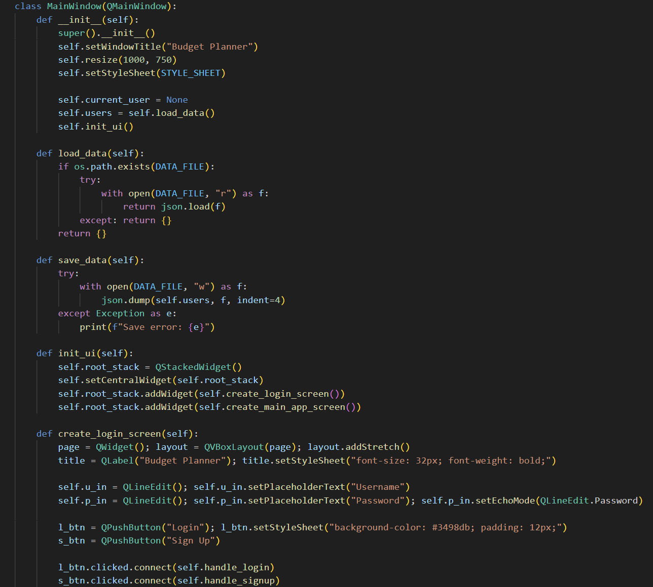
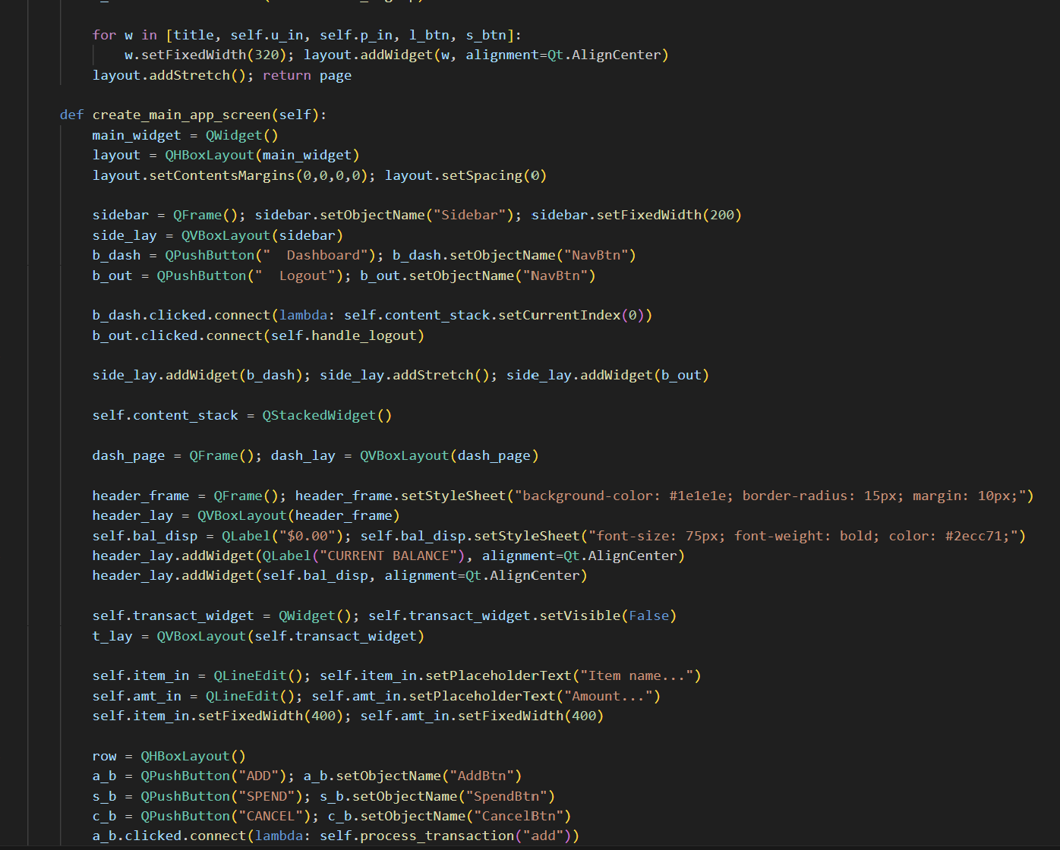
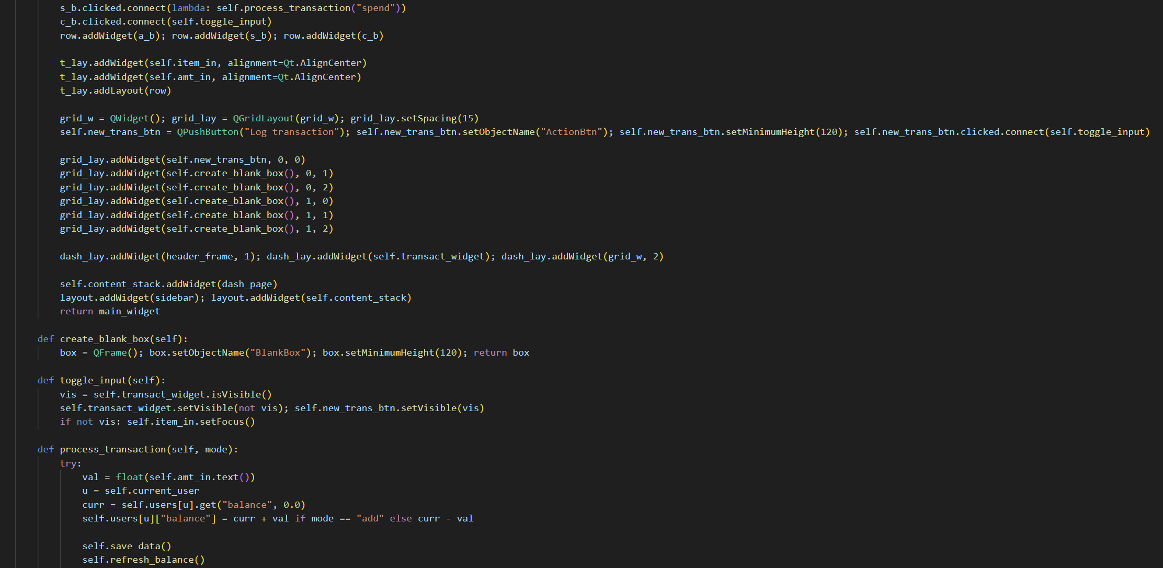
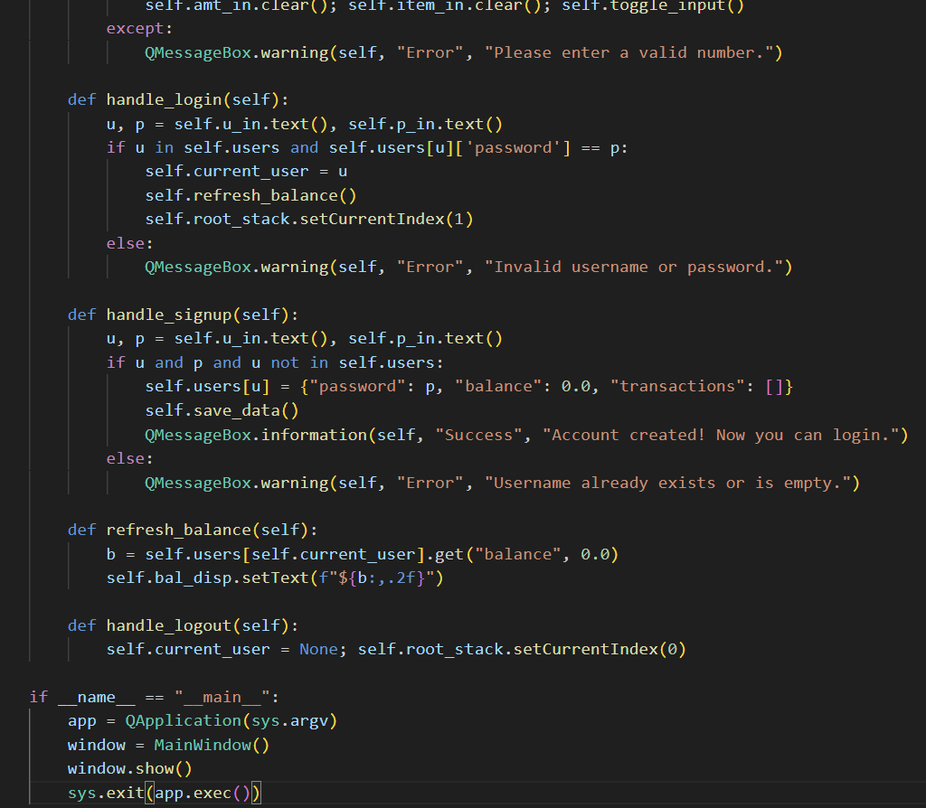
Computer Science 2 Project | Team Members: | Zian Relon
Group Progress Report |  | Caiden Alava
4th Quarter

Week 6 - Mar 27, 2026
GOAL State your goal for the Week | DATA COLLECTED State/list the data collected relevant to your project | PROGRESS State the progress you have made so far by the end of the week
add the features | none | added authentication
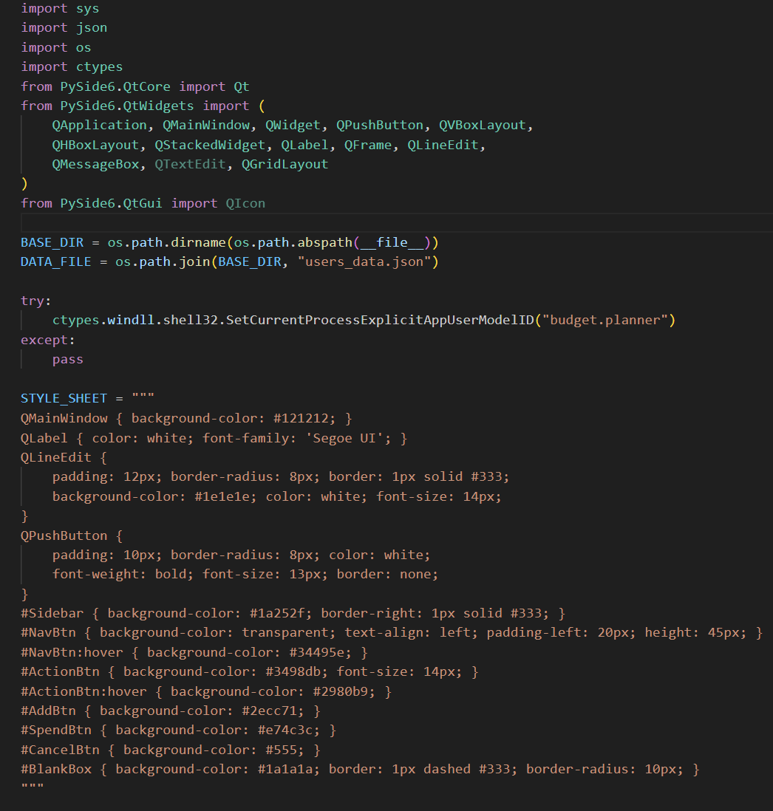

STRENGTH
Decent Coding skills
Researching
Ability to work well with each other

AREAS FOR DEVELOPMENT
Coding skills

STRATEGY FOR SUCCESS
Practice coding
Time management
Communication
Research
Patience

